STEPS-Exercise-RFM
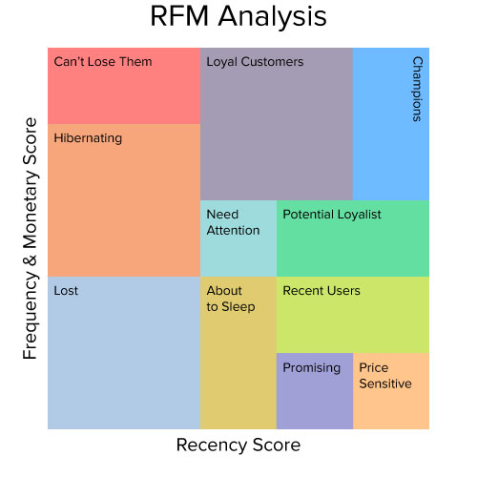
Recency Frequency Money - Steps

1 | Create Purchase Count No / Purchase Occasion No for Frequency
 | 1.1 | Make copy of Pilot Data Sheet
 | 1.2 | Format as Table
 | 1.3 | Sort Multi-Level: first on User ID then on Order Date
 | 1.4 | Add column for Purchase Count No
 | 1.5 | =COUNTIF($C$2:C2,C2) Copy Down for Range - Ensures Count is till Current Row
2 | Pivot on Customers IDs
 | 2.1 | Last Order Date | (Maximum Date - for Recency)
 | 2.2 | Total Spending
 | 2.3 | Average Spending
 | 2.4 | Number of Orders | (Count for Frequency)
 | 2.5 | Paste as VALUES of Pivot Table to new Sheet - RFM will be added there.
3 | Recency
 | 3.1 | Days since Last Order Date
 | 3.2 | Calculate Score (using PercentRank.Exc)
4 | Frequency
 | 4.1 | Option 1 - Just number of Orders
 | 4.2 | Option 2 - Calculate Days between last and first and divide Orders by it
 | 4.3 | Derive Score again PercentRank.Exc
5 | Money
 | 5.1 | Total Spending | Cohort Important for this!
 | 5.2 | OR Average Spending
6 | Aggregate (simple here)
7 | Filter to Target certain Customers - e.g. GROW policy 2nd Tier Define
8 | Work out Profit Margins as (for Money)
9 | Analysis of Profit versus Score

Marketing Strategy
Marketing Strategy for 4 Main Categories
Strategies for Champions
Reward them with exclusive offers and loyalty programs.
Engage them with sneak peeks of new products and special events.
Encourage them to become brand advocates by sharing their experiences.
Strategies for Loyal Customers
Provide regular updates and personalized communication.
Offer loyalty points, discounts, and special recognition.
Seek feedback to understand their needs and preferences.
Strategies for Potential Loyalists
Offer incentives for repeat purchases.
Provide excellent customer service and follow-ups.
Highlight benefits of becoming loyal customers through targeted campaigns.
Strategies for New Customers
Welcome them with special offers and onboarding emails.
Educate them about your products/services through engaging content.
Offer easy return policies and responsive customer support

